Siteplan
Irish Traffic Surveys LTD
Survey Name : |  | ITS - 1078 N11 Kilpedder
Survey Type: |  | Automatic Traffic Count (ATC) Survey
Date: |  | 10.03.26 - 17.03.26
Time: |  | 00:00 - 23:59
Location: |  | 53.123437, -6.106346
Classification: |  | Car, LGV, OGV1, OGV2, PSV
Grid Reference: |  | O 26802 09748
X: |  | 326802
Y: |  | 209748
Latitude: |  | 53.123437
Longitude: |  | -6.106346
Address (near): |  | Willow Grove Link Road, Kilcoole ED, The Municipal District of Greystones, County Wicklow, Leinster, A63 DE00, Ireland
Site Overview
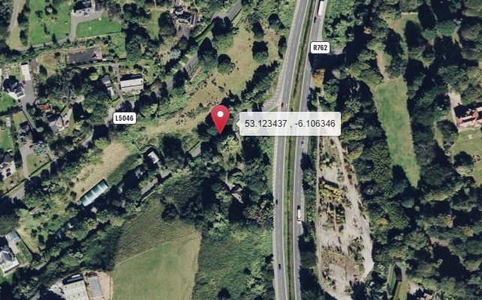

Direction A

Direction B

N

Description | Grid Reference | X | Y | Latitude | Longitude | Postcode | Address (near) | Point Link | Link For All Points
53.992382 , -6.512409 | H 97604 05799 | 297604 | 305799 | 53.992382 | -6.512409 |  | L31361, Castlering ED, The Municipal District of Dundalk, County Louth, Leinster, Ireland | Link | Link for All 1 Points

Summary
Irish Traffic Surveys LTD
Survey Name : |  | ITS - 1078 N11 Kilpedder
Survey Type: |  | Automatic Traffic Count (ATC) Survey
Date: |  | 10.03.26 - 17.03.26
Time: |  | 00:00 - 23:59
Location: |  | 53.123437, -6.106346
Classification: |  | Car, LGV, OGV1, OGV2, PSV
Site 5 |  |  |  |  |  |  | Weather
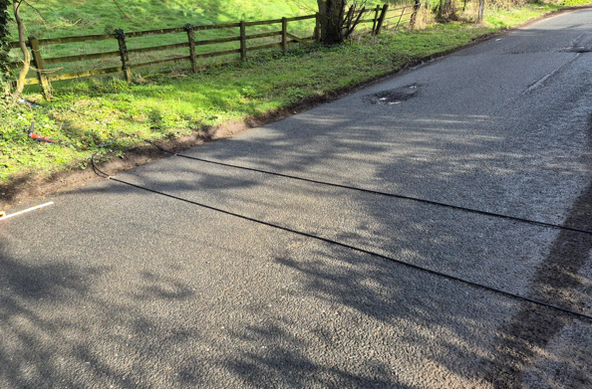
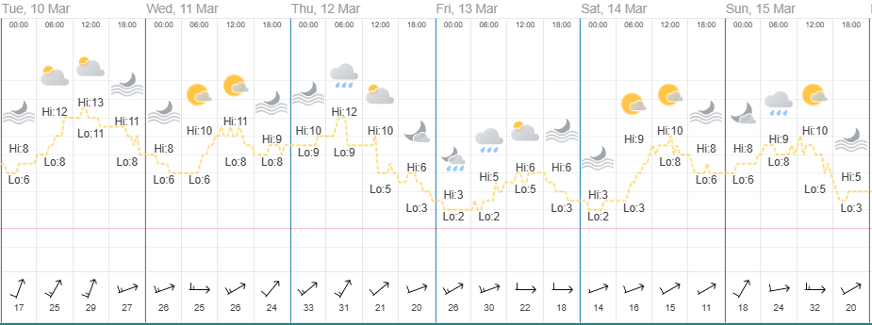
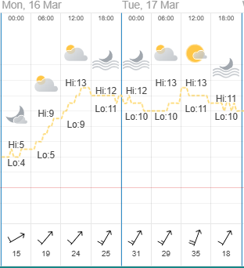

Direction A

Direction B

Virtual Week
Virtual Week - Both Directions |  |  |  |  |  |  |  |  |  |  | Virtual Week - Direction A |  |  |  |  |  |  |  |  |  |  | Virtual Week - Direction B

 | Monday | Tuesday | Wednesday | Thursday | Friday | Saturday | Sunday | AWDT | AWET | ADT |  | Monday | Tuesday | Wednesday | Thursday | Friday | Saturday | Sunday | AWDT | AWET | ADT |  | Monday | Tuesday | Wednesday | Thursday | Friday | Saturday | Sunday | AWDT | AWET | ADT
0:00:00 | 1 | 2 | 0 | 0 | 4 | 7 | 2 | 1 | 5 | 2 | 0:00:00 | 1 | 2 | 0 | 0 | 4 | 7 | 1 | 1 | 4 | 2 | 0:00:00 | 0 | 0 | 0 | 0 | 0 | 0 | 1 | 0 | 1 | 0
1:00:00 | 1 | 0 | 2 | 0 | 0 | 0 | 1 | 1 | 1 | 1 | 1:00:00 | 1 | 0 | 2 | 0 | 0 | 0 | 1 | 1 | 1 | 1 | 1:00:00 | 0 | 0 | 0 | 0 | 0 | 0 | 0 | 0 | 0 | 0
2:00:00 | 1 | 1 | 0 | 0 | 0 | 3 | 1 | 0 | 2 | 1 | 2:00:00 | 1 | 1 | 0 | 0 | 0 | 2 | 1 | 0 | 2 | 1 | 2:00:00 | 0 | 0 | 0 | 0 | 0 | 1 | 0 | 0 | 1 | 0
3:00:00 | 0 | 0 | 1 | 1 | 0 | 2 | 2 | 0 | 2 | 1 | 3:00:00 | 0 | 0 | 1 | 1 | 0 | 2 | 2 | 0 | 2 | 1 | 3:00:00 | 0 | 0 | 0 | 0 | 0 | 0 | 0 | 0 | 0 | 0
4:00:00 | 1 | 0 | 0 | 2 | 1 | 1 | 1 | 1 | 1 | 1 | 4:00:00 | 1 | 0 | 0 | 2 | 1 | 1 | 1 | 1 | 1 | 1 | 4:00:00 | 0 | 0 | 0 | 0 | 0 | 0 | 0 | 0 | 0 | 0
5:00:00 | 7 | 6 | 6 | 8 | 8 | 2 | 2 | 7 | 2 | 6 | 5:00:00 | 6 | 6 | 6 | 8 | 8 | 2 | 1 | 7 | 2 | 5 | 5:00:00 | 1 | 0 | 0 | 0 | 0 | 0 | 1 | 0 | 1 | 0
6:00:00 | 30 | 355 | 345 | 209 | 19 | 7 | 2 | 192 | 5 | 138 | 6:00:00 | 28 | 331 | 324 | 197 | 18 | 6 | 2 | 180 | 4 | 129 | 6:00:00 | 2 | 24 | 21 | 12 | 1 | 1 | 0 | 12 | 1 | 9
7:00:00 | 38 | 266 | 132 | 90 | 62 | 17 | 9 | 118 | 13 | 88 | 7:00:00 | 37 | 250 | 121 | 86 | 61 | 15 | 8 | 111 | 12 | 83 | 7:00:00 | 1 | 16 | 11 | 4 | 1 | 2 | 1 | 7 | 2 | 5
8:00:00 | 60 | 99 | 79 | 73 | 65 | 24 | 18 | 75 | 21 | 60 | 8:00:00 | 57 | 97 | 75 | 73 | 64 | 24 | 18 | 73 | 21 | 58 | 8:00:00 | 3 | 2 | 4 | 0 | 1 | 0 | 0 | 2 | 0 | 1
9:00:00 | 42 | 389 | 38 | 43 | 42 | 42 | 29 | 111 | 36 | 89 | 9:00:00 | 35 | 344 | 36 | 39 | 33 | 41 | 29 | 97 | 35 | 80 | 9:00:00 | 7 | 45 | 2 | 4 | 9 | 1 | 0 | 13 | 1 | 10
10:00:00 | 49 | 43 | 51 | 44 | 47 | 43 | 42 | 47 | 43 | 46 | 10:00:00 | 46 | 39 | 49 | 42 | 43 | 41 | 40 | 44 | 41 | 43 | 10:00:00 | 3 | 4 | 2 | 2 | 4 | 2 | 2 | 3 | 2 | 3
11:00:00 | 29 | 33 | 43 | 37 | 25 | 38 | 50 | 33 | 44 | 36 | 11:00:00 | 25 | 29 | 40 | 33 | 23 | 36 | 47 | 30 | 42 | 33 | 11:00:00 | 4 | 4 | 3 | 4 | 2 | 2 | 3 | 3 | 3 | 3
12:00:00 | 39 | 37 | 52 | 35 | 37 | 65 | 35 | 40 | 50 | 43 | 12:00:00 | 38 | 35 | 48 | 31 | 35 | 60 | 34 | 37 | 47 | 40 | 12:00:00 | 1 | 2 | 4 | 4 | 2 | 5 | 1 | 3 | 3 | 3
13:00:00 | 34 | 37 | 41 | 40 | 27 | 56 | 42 | 36 | 49 | 40 | 13:00:00 | 32 | 36 | 38 | 36 | 25 | 53 | 39 | 33 | 46 | 37 | 13:00:00 | 2 | 1 | 3 | 4 | 2 | 3 | 3 | 2 | 3 | 3
14:00:00 | 43 | 33 | 40 | 31 | 53 | 46 | 49 | 40 | 48 | 42 | 14:00:00 | 41 | 29 | 37 | 29 | 46 | 42 | 43 | 36 | 43 | 38 | 14:00:00 | 2 | 4 | 3 | 2 | 7 | 4 | 6 | 4 | 5 | 4
15:00:00 | 47 | 36 | 30 | 25 | 37 | 33 | 42 | 35 | 38 | 36 | 15:00:00 | 42 | 33 | 27 | 23 | 34 | 33 | 39 | 32 | 36 | 33 | 15:00:00 | 5 | 3 | 3 | 2 | 3 | 0 | 3 | 3 | 2 | 3
16:00:00 | 41 | 37 | 25 | 32 | 48 | 40 | 33 | 37 | 37 | 37 | 16:00:00 | 39 | 34 | 25 | 31 | 43 | 39 | 28 | 34 | 34 | 34 | 16:00:00 | 2 | 3 | 0 | 1 | 5 | 1 | 5 | 2 | 3 | 2
17:00:00 | 41 | 35 | 31 | 34 | 43 | 31 | 33 | 37 | 32 | 35 | 17:00:00 | 37 | 34 | 28 | 34 | 36 | 30 | 30 | 34 | 30 | 33 | 17:00:00 | 4 | 1 | 3 | 0 | 7 | 1 | 3 | 3 | 2 | 3
18:00:00 | 29 | 27 | 41 | 21 | 49 | 30 | 35 | 33 | 33 | 33 | 18:00:00 | 24 | 26 | 40 | 19 | 44 | 27 | 30 | 31 | 29 | 30 | 18:00:00 | 5 | 1 | 1 | 2 | 5 | 3 | 5 | 3 | 4 | 3
19:00:00 | 20 | 19 | 22 | 33 | 27 | 31 | 13 | 24 | 22 | 24 | 19:00:00 | 19 | 19 | 20 | 30 | 26 | 27 | 12 | 23 | 20 | 22 | 19:00:00 | 1 | 0 | 2 | 3 | 1 | 4 | 1 | 1 | 3 | 2
20:00:00 | 15 | 12 | 10 | 17 | 26 | 16 | 13 | 16 | 15 | 16 | 20:00:00 | 14 | 12 | 8 | 17 | 25 | 16 | 13 | 15 | 15 | 15 | 20:00:00 | 1 | 0 | 2 | 0 | 1 | 0 | 0 | 1 | 0 | 1
21:00:00 | 17 | 12 | 12 | 9 | 17 | 9 | 7 | 13 | 8 | 12 | 21:00:00 | 17 | 12 | 12 | 9 | 16 | 9 | 7 | 13 | 8 | 12 | 21:00:00 | 0 | 0 | 0 | 0 | 1 | 0 | 0 | 0 | 0 | 0
22:00:00 | 7 | 6 | 7 | 5 | 10 | 11 | 7 | 7 | 9 | 8 | 22:00:00 | 6 | 6 | 6 | 5 | 9 | 9 | 7 | 6 | 8 | 7 | 22:00:00 | 1 | 0 | 1 | 0 | 1 | 2 | 0 | 1 | 1 | 1
23:00:00 | 8 | 3 | 3 | 2 | 11 | 7 | 6 | 5 | 7 | 6 | 23:00:00 | 8 | 3 | 2 | 2 | 10 | 7 | 6 | 5 | 7 | 5 | 23:00:00 | 0 | 0 | 1 | 0 | 1 | 0 | 0 | 0 | 0 | 0
Total | 600 | 1488 | 1011 | 791 | 658 | 561 | 474 | 910 | 518 | 798 | Total | 555 | 1378 | 945 | 747 | 604 | 529 | 439 | 846 | 484 | 742 | Total | 45 | 110 | 66 | 44 | 54 | 32 | 35 | 64 | 34 | 55

AM peak | 60 (0800) | 389 (0900) | 345 (0600) | 209 (0600) | 65 (0800) | 43 (1000) | 50 (1100) | 192 (0600) | 44 (1100) | 138 (0600) | AM peak | 57 (0800) | 344 (0900) | 324 (0600) | 197 (0600) | 64 (0800) | 41 (0900) | 47 (1100) | 180 (0600) | 42 (1100) | 129 (0600) | AM peak | 7 (0900) | 45 (0900) | 21 (0600) | 12 (0600) | 9 (0900) | 2 (0700) | 3 (1100) | 13 (0900) | 3 (1100) | 10 (0900)
PM peak | 47 (1500) | 37 (1200) | 52 (1200) | 40 (1300) | 53 (1400) | 65 (1200) | 49 (1400) | 40 (1200) | 50 (1200) | 43 (1200) | PM peak | 42 (1500) | 36 (1300) | 48 (1200) | 36 (1300) | 46 (1400) | 60 (1200) | 43 (1400) | 37 (1200) | 47 (1200) | 40 (1200) | PM peak | 5 (1500) | 4 (1400) | 4 (1200) | 4 (1200) | 7 (1400) | 5 (1200) | 6 (1400) | 4 (1400) | 5 (1400) | 4 (1400)
Day peak | 60 (0800) | 389 (0900) | 345 (0600) | 209 (0600) | 65 (0800) | 65 (1200) | 50 (1100) | 192 (0600) | 50 (1200) | 138 (0600) | Day peak | 57 (0800) | 344 (0900) | 324 (0600) | 197 (0600) | 64 (0800) | 60 (1200) | 47 (1100) | 180 (0600) | 47 (1200) | 129 (0600) | Day peak | 7 (0900) | 45 (0900) | 21 (0600) | 12 (0600) | 9 (0900) | 5 (1200) | 6 (1400) | 13 (0900) | 5 (1400) | 10 (0900)

Mean | 41.1 | 35.0 | 38.0 | 42.0 | 41.0 | 41.6 | 41.1 | 38.5 | 41.4 | 39.1 | Mean | 42.9 | 36.6 | 39.3 | 43.2 | 42.7 | 43.0 | 42.8 | 40.0 | 42.9 | 40.6 | Mean | 19.4 | 15.4 | 19.2 | 20.9 | 22.7 | 17.9 | 19.6 | 18.7 | 18.8 | 18.8
Speed 85% | 50.0 | 47.3 | 49.0 | 50.6 | 49.7 | 50.6 | 50.2 | 49.3 | 50.4 | 49.3 | Speed 85% | 50.4 | 47.7 | 49.2 | 50.8 | 50.4 | 50.8 | 50.4 | 49.5 | 50.6 | 49.9 | Speed 85% | 20.9 | 19.1 | 23.2 | 20.9 | 25.6 | 19.1 | 20.3 | 23.2 | 19.8 | 22.5
Exceeding | 5 | 3 | 9 | 9 | 9 | 10 | 7 | 7 | 9 | 7 | Exceeding | 5 | 3 | 9 | 9 | 9 | 10 | 7 | 7 | 9 | 7 | Exceeding | 0 | 0 | 0 | 0 | 0 | 0 | 0 | 0 | 0 | 0
Percent Ex | 0.833 | 0.202 | 0.890 | 1.138 | 1.368 | 1.783 | 1.477 | 0.770 | 1.643 | 0.931 | Percent Ex | 0.901 | 0.218 | 0.952 | 1.205 | 1.490 | 1.890 | 1.595 | 0.828 | 1.756 | 1.001 | Percent Ex | 0.000 | 0.000 | 0.000 | 0.000 | 0.000 | 0.000 | 0.000 | 0.000 | 0.000 | 0.000
Mean Ex | 63.5 | 62.3 | 63.3 | 63.2 | 62.8 | 63.4 | 64.0 | 63.1 | 63.7 | 63.3 | Mean Ex | 63.5 | 62.3 | 63.3 | 63.2 | 62.8 | 63.4 | 64.0 | 63.1 | 63.7 | 63.3 | Mean Ex | - | - | - | - | - | - | - | - | - | -
Class Bin Chart |  |  |  |  |  |  |  |  |  |  | Speed |  |  |  |  |  |  |  |  |  |  | Vehicle Flow

COBA Classification Legend
Irish Traffic Surveys LTD
DfT-UK |  |  |  |  |  |  |  |  | Report Legend |  | Coba Classification Chart
GB DTp National Core Census.
Units: Metric (m)
Car class: 3
Unclassifiable vehicle class: 12 |  | 53.990083, -6.125944
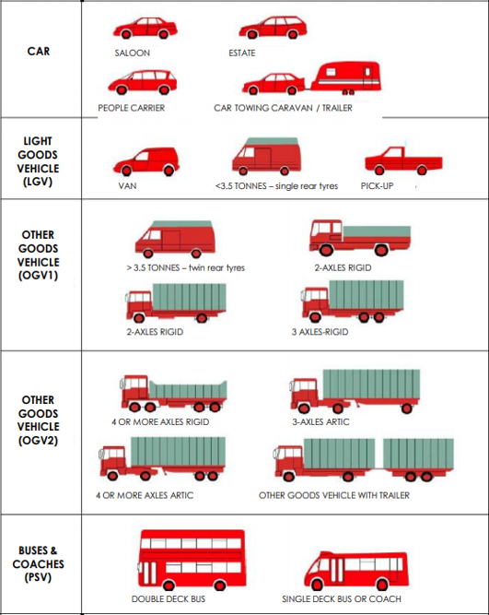
Class | Type | Axles | SP1 Axle Width | SP2 Axle Width | SP3 Axle Width | SP4 Axle Width | SP5 Axle Width |  | Time [-- | Time Range
1 | C | 2 | 0.00 - 1.06 |  |  |  |  | MC/Pedalcyclist | Total | Total number of Vehicles
1 | O | 2 | 1.06 - 1.70 |  |  |  |  |  | Vmin Speed | Minimum Recorded Speed
1 | CAR | 2 | 1.70 - 2.64 |  |  |  |  | Car | Vmax Speed | Maximum Recorded Speed
1 |  | 3 | 1.89 - 2.95 | 1.90 - 4.00 |  |  |  |  | Mean Average Speed | Average Recorded Speeds
1 |  | 3 | 1.89 - 2.95 | 3.50 - 6.00 |  |  |  |  | Vpp 85% Speed | 85 % Percentile Speed
1 |  | 4 | 1.89 - 2.95 | 1.90 - 6.00 | 0.50 - 1.30 |  |  |  | Cls 1 Car | Total number of Vehicles
2 | LGV | 2 | 2.64 - 3.75 |  |  |  |  | LGV | Cls 2 LGV | Total number of Vehicles
3 | R2 | 2 | 3.75 - 6.00 |  |  |  |  |  | Cls 3 OGV1 | Total number of Vehicles
3 | R3 | 3 | 2.00 - 6.00 | 1.00 - 1.90 |  |  |  |  | Cls 4 OGV2 | Total number of Vehicles
3 |  | 3 | 1.00 - 1.88 | 2.00 - 12.00 |  |  |  | OGV1 | Cls 5 PSV | Total number of Vehicles
3 | R4 | 4 | 1.00 - 1.90 | 2.00 - 12.00 | 1.00 - 1.90 |  |  |  | ]PSL 80 | Number of vehicles in excess of Speed Limit
3 |  | 4 | 3.00 - 9.00 | 1.00 - 2.50 | 1.00 - 2.50 |  |  |  | Average Speed Car | Average Speed for Cars
4 | A3 | 3 | 2.95 - 9.20 | 1.90 - 4.00 |  |  |  |  | Average Speed LGV | Average Speed for LGV
4 |  | 3 | 1.89 - 3.99 | 3.50 - 15.00 |  |  |  |  | Average Speed OGV1 | Average Speed for OGV1
4 |  | 4 | 2.95 - 12.00 | 2.00 - 12.00 | 2.50 - 12.00 |  |  |  | Average Speed OGV2 | Average Speed for OGV2
4 |  | 4 | 2.95 - 9.20 | 2.50 - 9.00 | 0.50 - 2.50 |  |  |  | Average Speed PSV | Average Speed for PSV
4 |  | 4 | 1.89 - 3.99 | 3.50 - 15.00 | 1.05 - 2.50
4 | A4 | 4 | 1.89 - 2.95 | 3.50 - 6.00 | 1.05 - 1.30
4 |  | 4 | 1.00 - 1.90 | 1.90 - 12.00 | 2.00 - 15.00 |  |  | OGV2
4 |  | 4 | 1.70 - 5.25 | 1.00 - 1.90 | 2.00 - 15.00
4 | A5+ | 5 | 2.00 - 12.00 | 1.00 - 12.00 | 2.00 - 12.00 | 1.00 - 1.90
4 |  | 5 | 2.00 - 12.00 | 1.00 - 1.90 | 1.90 - 12.00 | 2.50 - 12.00
4 |  | 5 | 1.70 - 5.25 | 1.00 - 1.90 | 2.00 - 15.00 | 1.00 - 2.50
4 |  | 5 | 1.00 - 1.90 | 1.90 - 12.00 | 2.00 - 15.00 | 1.00 - 2.50
4 |  | 5 | 2.00 - 12.00 | 2.00 - 15.00 | 0.70 - 1.80 | 0.70 - 1.80
4 |  | 6 | 2.00 - 12.00 | 1.00 - 1.90 | 1.90 - 12.00 | 2.00 - 12.00 | 1.00 - 1.90
4 |  | 6 | 1.90 - 5.25 | 1.00 - 1.90 | 2.00 - 15.00 | 1.00 - 1.90 | 1.00 - 1.90
5 | BUS | 2 | 6.00 - 12.00 |  |  |  |  | PSV
5 |  | 3 | 6.00 - 12.00 | 1.00 - 1.90

Version: 4.03
Last revised: March 2013

© 2013 MetroCount®

 |  |  |  |  |  |  | L31361, Castlering ED, The Municipal District of Dundalk, County Louth, Leinster, Ireland

